EDA
Data Info
 | Recording | 正式实验9
 | Subject | 梁浩
 | Create Time | 2023-11-24 15:33:22.914
 | Data Name | Finger8 EDA
 | Data Type | EDA
 | Sample Rate | 64
 | Segment | 前静息态
 | Start Time | 0:00:36
 | End Time | 0:05:36
 | Duration | 0:05:00

Replay Chart
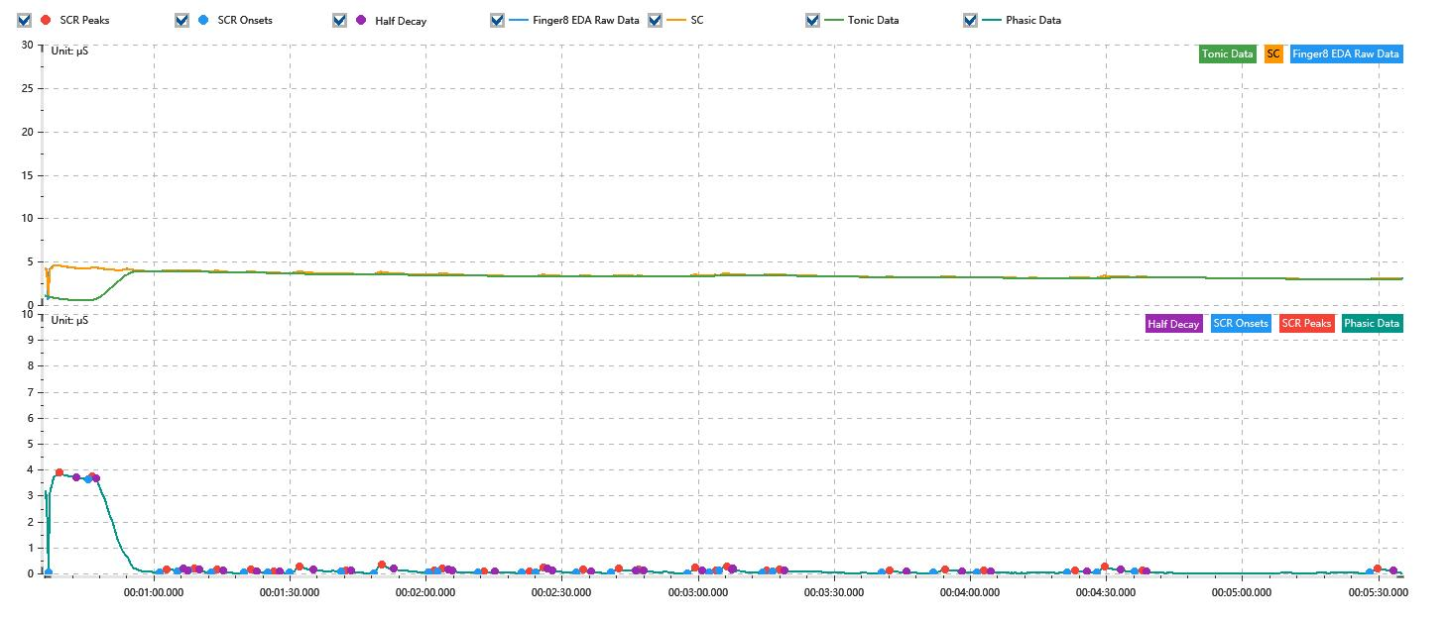

Process parameters
 | Filters
 | Smooth denoise | Enabled | 高斯 | 5(samples)
 | Lowpass filter | Enabled | 5μS
 | Skin Conductance Response
 | SCR extraction | Minimum SCR amplitude | 0.03μS
 | SCR extraction | Max rise time | 4s
 | SCR extraction | Max half decay time | 4s
 | SCR extraction | Peak dection sensitivity | 中
 | Event related activation | Window relative to event | 1s | 4s

Time Domain
 | Data | Mean | Max | Min | Std | Variance | Polar Distance | Data Length
 | SC | 3.43μS | 4.6μS | 1.03μS | 0.34μS | 0.12μS² | 3.57μS | 1200
 | Tonic | 3.18μS | 3.86μS | 0.56μS | 0.6μS | 0.36μS² | 3.3μS | 1200
 | Phasic | 0.25μS | 3.87μS | 0μS | 0.75μS | 0.57μS² | 3.87μS | 1200

SCR
 | OnsetTime | PeakTime | RiseTime | HalfDecayTime | Amp
 | 0.000425625 | 0.00045456018519 | 2.5s | 3.75s | 3.84μS
 | 0.00052689814815 | 0.00053847222222 | 1s | 0.75s | 0.12μS
 | 0.00070918981481 | 0.00072655092593 | 1.5s | 3.75s | 0.13μS
 | 0.00075548611111 | 0.0007699537037 | 1.25s | 1s | 0.1μS
 | 0.0007844212963 | 0.00079888888889 | 1.25s | 1s | 0.07μS
 | 0.00084229166667 | 0.00085675925926 | 1.25s | 1.25s | 0.11μS
 | 0.0009262037037 | 0.00094356481481 | 1.5s | 1.25s | 0.13μS
 | 0.00098696759259 | 0.0010014351852 | 1.25s | 1.25s | 0.05μS
 | 0.0010419444444 | 0.0010679861111 | 2.25s | 3s | 0.25μS
 | 0.0011721527778 | 0.0011866203704 | 1.25s | 1s | 0.03μS
 | 0.0012560648148 | 0.0012763194444 | 1.75s | 2.75s | 0.32μS
 | 0.0013949537037 | 0.0014123148148 | 1.5s | 3.75s | 0.06μS
 | 0.0014181018519 | 0.0014325694444 | 1.25s | 1.25s | 0.1μS
 | 0.0015222685185 | 0.0015367361111 | 1.25s | 2.5s | 0.03μS
 | 0.0016351157407 | 0.0016553703704 | 1.75s | 3.75s | 0.04μS
 | 0.001669837963 | 0.0016900925926 | 1.75s | 2s | 0.17μS
 | 0.0017740046296 | 0.0017913657407 | 1.5s | 1.75s | 0.11μS
 | 0.0018608101852 | 0.0018810648148 | 1.75s | 3.75s | 0.17μS
 | 0.0019273611111 | 0.0019331481481 | 0.5s | 1s | 0.03μS
 | 0.0020575694444 | 0.0020778240741 | 1.75s | 1.5s | 0.19μS
 | 0.0021125462963 | 0.0021299074074 | 1.5s | 3.75s | 0.09μS
 | 0.002138587963 | 0.0021588425926 | 1.75s | 1s | 0.18μS
 | 0.0022485416667 | 0.0022601157407 | 1s | 3.75s | 0.08μS
 | 0.0022745833333 | 0.0022919444444 | 1.5s | 1s | 0.06μS
 | 0.0025523611111 | 0.0025726157407 | 1.75s | 3.75s | 0.07μS
 | 0.002685462963 | 0.0027143981481 | 2.5s | 3.75s | 0.12μS
 | 0.0027954166667 | 0.0028127777778 | 1.5s | 1.5s | 0.08μS
 | 0.0030268981481 | 0.0030471527778 | 1.75s | 2.5s | 0.08μS
 | 0.0031021296296 | 0.0031223842593 | 1.75s | 3.5s | 0.23μS
 | 0.0031976157407 | 0.0032178703704 | 1.75s | 1s | 0.04μS
 | 0.0037965740741 | 0.0038168287037 | 1.75s | 3.5s | 0.16μS

Event Related
 | Event Group | Event Name | Event Description | EventTime | SCRCount | Latency | AmpSum | SCL | Half Decay Time Avg. | Rise Decay Time Avg.
 | Custom | 前静息态采集开始 |  | 0.00041396273148 | 0 | 0s | 0μS | 0.83μS | 0s | 0s

